AKCESORIA
Nike Swim Accessories
Symbol | Name | Color | EAN | Product Image | Net Price | SRP | Available Quantity | Ordered Quantity
NESSA176 | NIKE VAPORE MIRROR | 569 BRIGHT VIOLET | 5063012936946 | 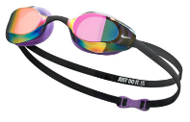 | 10,000 | 19,999 | 17
NESSA176 | NIKE VAPORE MIRROR | 494 GAME ROYAL | 5063012645145 | 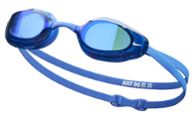 | 10,000 | 19,999 | 16
NESSA176 | NIKE VAPORE MIRROR | 40 SILVER | 5057764741637 | 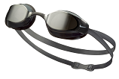 | 10,000 | 19,999 | 81
 |  |  |  |  | - | -
NESSA177 | NIKE VAPORE | 005 DARK BLACK | 5063012645152 | 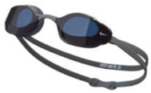  | 8,000 | 15,999 | 21
NESSA177 | NIKE VAPORE | 001 Black | 5059436550790 | 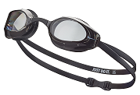 | 8,000 | 15,999 | 130
 |  |  |  |  | - | -
NESSD130 | NIKE LEGACY MIRROR | 090 particle grey | 5063012350124 | 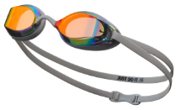 | 6,500 | 12,999 | 132
NESSD130 | NIKE LEGACY MIRROR | 931 RED BLACK | 5063012037797 | 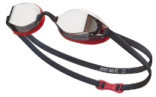 | 6,500 | 12,999 | 212
 |  |  |  |  | - | -
NESSD131 | NIKE LEGACY | 014 DK SMOKE GREY | 5063012037803 | 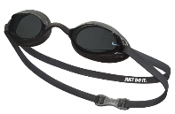 | 6,000 | 11,999 | 25
NESSD131 | NIKE LEGACY | 042 NATURAL GREY | 5063012037810 | 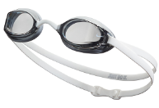 | 6,000 | 11,999 | 131
NESSD131 | NIKE LAGACY | 400 blue | 5063012037827 | 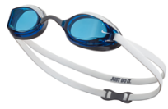 | 6,000 | 11,999 | 253
 |  |  |  |  | - | -
NESSF132 | Nike Legacy Comfort Mirrored | 440 MIDNIGHT NAVY | 5063012645350 | 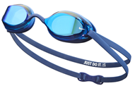 | 6,000 | 11,999 | 25
 |  |  |  |  | - | -
NESSF130 | Nike Valiant | 438 UNIVERSITY BLUE | 5063012645312 | 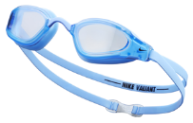 | 8,000 | 15,999 | 30
 |  |  |  |  | - | -
NESSF133 | Nike Legacy Comfort | 014 DK SMOKE GREY | 5063012645374 | 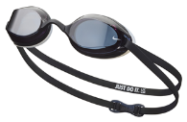 | 5,500 | 10,999 | 49
NESSF133 | Nike Legacy Comfort | 079 LT SMOKE | 5063012936953 | 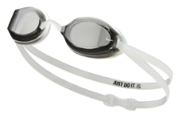 | 5,500 | 10,999 | 13
NESSF133 | Nike Legacy Comfort | 440 MIDNIGHT NAVY | 5063012645381 | 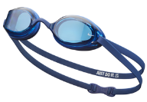 | 5,500 | 10,999 | 24
 |  |  |  |  | - | -
NESSE125 | Nike Universal Fit Mirrored | 001 BLACK | 5063012375325 | 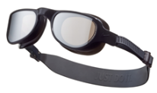 | 8,000 | 15,999 | 58
NESSE125 | Nike Universal Fit Mirrored | 474 ASHEN SLATE | 5063012375332 | 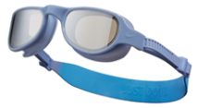 | 8,000 | 15,999 | 44
 |  |  |  |  | - | -
NESSB160 | Nike Expanse Mirrored | 051 COOL GREY | 5063012037469 | 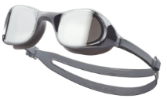 | 6,000 | 11,999 | 90
NESSB160 | Nike Expanse Mirrored | 438 UNIVERSITY BLUE | 5063012645169 | 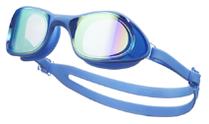 | 6,000 | 11,999 | 153
NESSB160 | Nike Expanse Mirrored | 417 court blue | 5063012355914 | 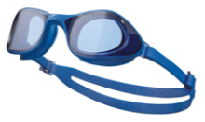 | 6,000 | 11,999 | 51
 |  |  |  |  | - | -
NESSB161 | Nike Expanse | 051 COBALT GREY | 5063012037483 | 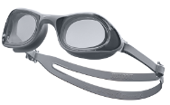 | 5,000 | 9,999 | 58
NESSB161 | Nike Expanse | 438 UNIVERSITY BLUE | 5063012645176 | 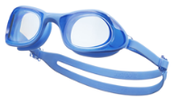 | 5,000 | 9,999 | 40
 |  |  |  |  | - | -
NESSC151 | Nike Expanse Swim Mask | 005 Dark Black | 5059436605117 | 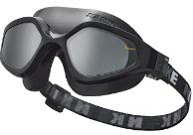 | 8,500 | 16,999 | 64
NESSC151 | Nike Expanse Swim Mask | 620 PICANTE RED | 5063012037568 | 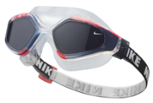 | 8,500 | 16,999 | 20
 |  |  |  |  | - | -
NESSD132 | Nike Hyper Flow | 014 DK SMOKE GREY | 5063012037858 | 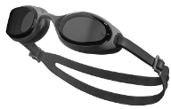 | 6,000 | 11,999 | 166
NESSD132 | Nike Hyper Flow | 000 CLEAR | 5063012037841 | 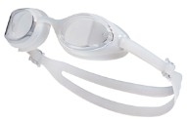 | 6,000 | 11,999 | 29
 |  |  |  |  | - | -
NESSD127 | CHROME | 000 CLEAR | 5063012038091 | 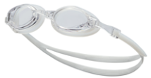 | 3,500 | 6,999 | 19
NESSD127 | CHROME | 079 LT SMOKE GREY | 5063012038114 | 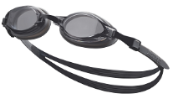 | 3,500 | 6,999 | 540
 |  |  |  |  | - | -
NESSD125 | CHROME MIRROR | 040 silver | 5063012038015 | 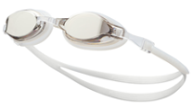 | 5,000 | 9,999 | 252
NESSD125 | CHROME MIRROR | 486 aquarius | 5063012350155 | 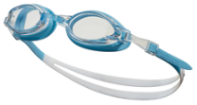 | 5,000 | 9,999 | 77
NESSD125 | CHROME MIRROR | 710 GOLD | 5063012038046 |  | 5,000 | 9,999 | 63
 |  |  |  | JUNIOR | - | -
NESSD124 | Nike Expanse Kids' Swim Mask | 480 | 5063012037711 | 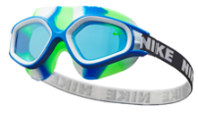 | 7,000 | 13,999 | 5
NESSD124 | Nike Expanse Kids' Swim Mask | 560 | 5063012645206 | 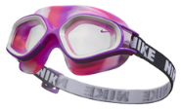 | 7,000 | 13,999 | 3
 |  |  |  |  | - | -
NESSD128 | CHROME JUNIOR | 463 DUSTY CACTUS | 5063012645497 | 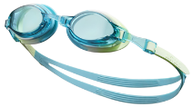 | 3,500 | 6,999 | 48
NESSD128 | CHROME JUNIOR | 670 PINK SPELL | 5063012038176 | 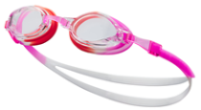 | 3,500 | 6,999 | 337
NESSD128 | CHROME JUNIOR | 079 LT SMOKE GREY | 5063012038152 | 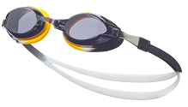 | 3,500 | 6,999 | 52
 |  |  |  |  | - | -
NESSD138 | Nike Lil' Swoosh | 688 FUCHSIA DREAM | 5063012201976 | 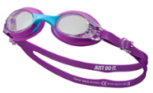 | 3,000 | 5,999 | 6
NESSD138 | Nike Lil' Swoosh | 437 COPA | 5063012201952 |  | 3,000 | 5,999 | 48
NESSD138 | Nike Lil' Swoosh | 458 PHOTO BLUE | 5063012201969 | 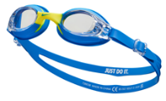 | 3,000 | 5,999 | 30
NESSD138 | Nike Lil' Swoosh | 688 | 5063012201976 | 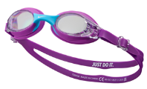 | 3,000 | 5,999 | 6
 |  |  |  |  | - | -
NESSB166 | Kids' Nike Easy Fit | 401 CLEAR/BLUE | 5059436193362 | 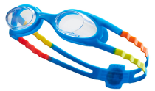 | 4,500 | 8,999 | 29
 |  |  |  | CZEPKI | - | -
93060 | SOLID SILICON | 011 BLACK/WHITE | 5057193035895 |  | 2,000 | 3,999 | 1290
93060 | SOLID SILICON | 100 WHITE | 5057193035925 |  | 2,000 | 3,999 | 664
93060 | SOLID SILICON | 440 MIDNIGHT NAVY | 5057193035949 |  | 2,000 | 3,999 | 1260
93060 | SOLID SILICON | 614 RED | 5057193036007 |  | 2,000 | 3,999 | 899
93060 | SOLID SILICON | 672 PINK | 5059436536756 |  | 2,000 | 3,999 | 79
93060 | SOLID SILICON | 740 BARELY VOLT | 5063012645138 |  | 2,000 | 3,999 | 273
93060 | SOLID SILICON | 338 VAPOR GREEN | 5063012350049 |  | 2,000 | 3,999 | 394
 |  |  |  |  | - | -
TESS0106 | Solid silicone JUNIOR | 001 BLACK | 5057193037516 |  | 1,600 | 3,199 | 176
TESS0106 | Solid silicone JUNIOR | 366 GREEN | 5063012350148 |  | 1,600 | 3,199 | 831
TESS0106 | Solid silicone JUNIOR | 670 pink | 5063012037995 |  | 1,600 | 3,199 | 370
TESS0106 | Solid silicone JUNIOR | 458 PHOTO BLUE | 5057193037592 |  | 1,600 | 3,199 | 269
 |  |  |  |  | - | -
NESS8163 | BIG SWOOSH | 100 WHITE | 5057193584812 |  | 2,500 | 4,999 | 63
NESS8163 | BIG SWOOSH | 569 VIOLET | 5063012936960 |  | 2,500 | 4,999 | 28
NESS8163 | BIG SWOOSH | 494 royal blue | 5057764228343 |  | 2,500 | 4,999 | 296
NESS8163 | BIG SWOOSH | 001 BLACK | 5057193584805 |  | 2,500 | 4,999 | 379
 |  |  |  |  | - | -
NESSA198 | LONG HAIR | 672 PINK PRIME | 5059436552404 | 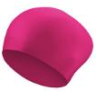 | 3,200 | 6,399 | 49
NESSA199 | LONG HAIR | 001 BLACK | 5057764741323 |  | 3,200 | 6,399 | 47
 |  |  |  |  | - | -
NESSC150 | Nike Comfort POLIESTER | 001 BLACK | 5059436552411 |  | 3,000 | 5,999 | 55
 |  |  |  | AKCESORIA | - | -
NESSE138 | Nike 35L Swim Backpack | 001 BLACK | 5063012375370 | 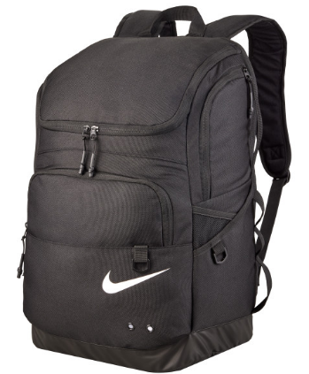 | 19,000 | 37,999 | 35
NESSE139 | Nike Water Resistant Swim Bag (1L) | 006 BLACK | 5063012678501 | 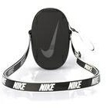 | 7,000 | 13,999 | 45
NESS9173 | HAND PADDLES S/M | 919 Black / Photo Blue | 5059436569563 | 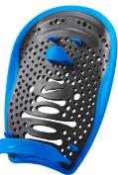 S/M | 7,000 | 13,999 | 7
NESS9173 | HAND PADDLES , L/XL | 919 Black / Photo Blue | 5059436569549 | L/XL | 7,000 | 13,999
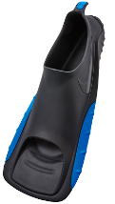
NESS9171 | SWIM FINS | 919 Black / Photo Blue | 5059436569488 | S (40-42,5) | 17,500 | 34,999 | 9
 |  |  | 5059436569471 | M (42,5-44,5) | 1 | - | 8
 |  |  | 5059436569495 | XL (46-48,5) | 1 | - | 2
NESS9174 | PULL BUOY | 919 Black / Photo Blue | 5059436569570 | 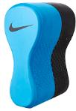 | 1 | - | 11
NESS9175 | EAR PLUGS | 618 HYPER CRIMSON | 5057764231145 |  | 2,500 | 4,999 | 342
NESS9176 | NOSE CLIP | 618 HYPER CRIMSON | 5057764231152 |  | 2,500 | 4,999 | 284
Nessa1124 | NIKE OVERSIZED BEACH TOWEL (183cm x 102cm) | RETRO BLACK/WHITE OSFM | 887791771445 |  | 14,995 | 29,990 | 53
Nessa1124 | NIKE OVERSIZED BEACH TOWEL RETRO (183cm x 102cm) | UNIVERSITY BLUE/WHITE OSFM | 887791771438 |  | 14,995 | 29,990 | 50
Nessa1126 | NIKE POOL TOWEL AMERICANA (173cm x 71cm) | OBSIDIAN/UNIVERSITY RED/SAIL OSFM | 887791771469 |  | 9,995 | 19,990 | 19

